Dashboard
After you have complete the tasks in red, create a one page summary dashboard here. Use as much or as little of the below as you see fit. Be creative and surface insights from the data. Pro Tip: You can also add visualizations to assist your summary of words into visual cue.

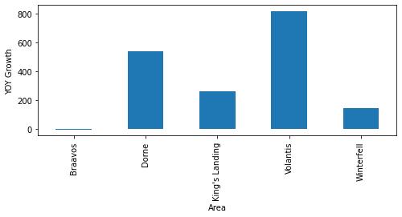
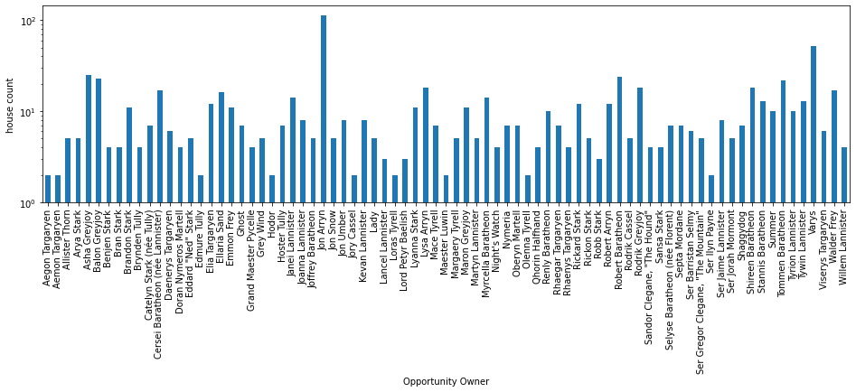

Volantis Area had the highest year over year growth while Braavos had the least year over year growth

 | The opportunity owner, Jon Arryn, had the most number of number of houses (112 houses) while many including Aegon Targaryen and Aemon Targaryen just had one house. (logarithm is applies on count)
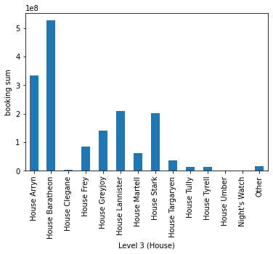 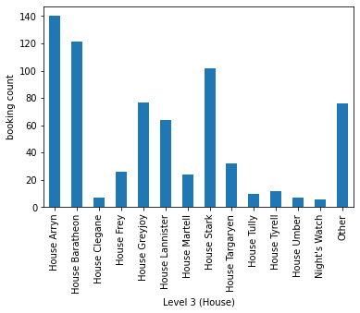

 | 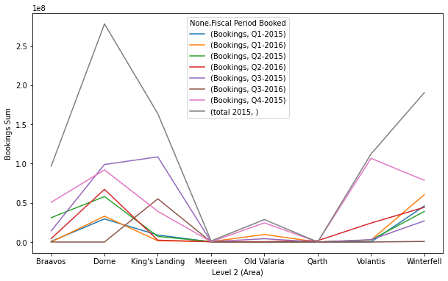 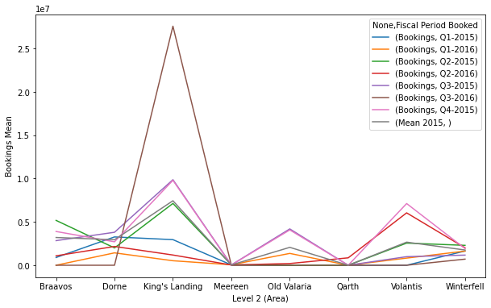

As can be seen, although the House Baratheon had the highest sum of bookings, House Arryn had the most number of bookings.

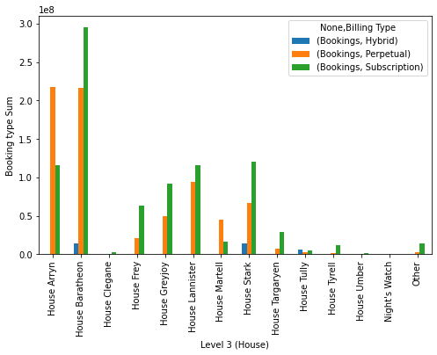

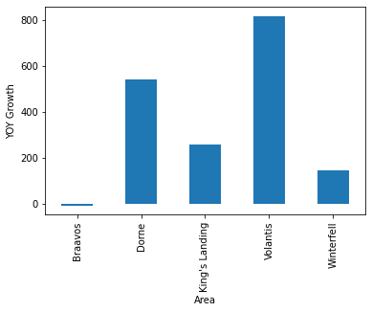

 | The sum vs mean Booking by Area shows an instresting difference between sum and mean. The sum of King's Landing is clearly not dominating in Q3-2016 however, we can see that the mean booking ($) is clearly dominating

For most of the houses a subscription type of booking was done and for no house number of perpetual bookings was more than subscription based booking. Hybrid type booking was the least used method.

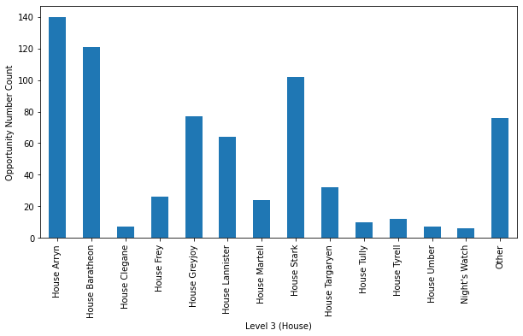 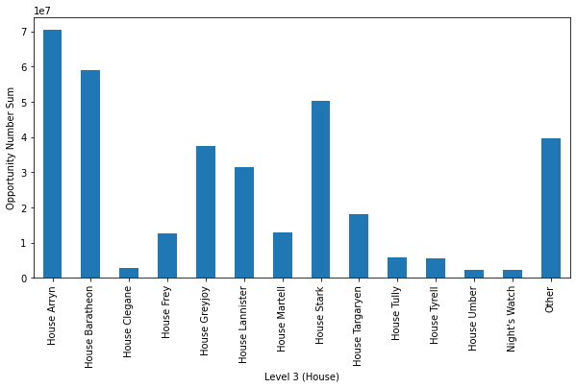

A relationship between Houses and Opportunity Number is shown. House Aryan had mose of the opportunity numbers while Night's Watch had the least.

Queries
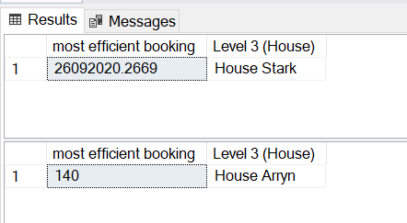
Paste your Queries here
1. Using SQL, create a table which shows FY14 and FY15 Totals of Bookings by Level 2 (Area). With the data you pull, create a visualization of growth year over year.

2. Add a column to the data set mapping 'Opportunity Owner' to Level 3 (House) using the data in the 'lookups' tab. Afterwards, paste your results into a new tab called "House Bookings". On the new 'House Bookings' tab show Bookings by House by Opportunity Owner, aggregating House totals.

3. From the data in the Bookings tab, write a query to get the following layout. From there, use 6 quarters of actuals to forecast the final two quarters of 2016 (yellow shaded area). Then add an additional column that shows growth rates.

4. Next, write a query to calculate the metrics below for each Opportunity Number

5. Write a query to answer the following: From the Bookings tab, which House had the highest Bookings in H1'16? If every sales employee in the organization is included somewhere on the bookings tab, and headcount has remained constant, which house has been the most efficient in terms of Bookings?

Question 1

CREATE TABLE bookings_level_year ( [2014] int, [2015] int, [Level 2 (Area)] varchar(255), ); Insert into bookings_level_year ([2015],[Level 2 (Area)]) Select [bookings], [Level 2 (Area)] from [dbo].[Bookings] where [Fiscal Year Booked] = 2015 Insert into bookings_level_year ([2014], [Level 2 (Area)]) Select [bookings], [Level 2 (Area)] from [dbo].[Bookings] where [Fiscal Year Booked] = 2014 select sum([2014]) as [2014_booking],sum([2015]) as [2015_booking],[Level 2 (Area)], ((sum([2015]) - sum([2014]))* 100.0) / sum([2014]) as [yoy] from bookings_level_year group by [Level 2 (Area)] Having sum([2014]) is not null and sum([2015]) is not null order by [Level 2 (Area)]

Result

Question 2

SELECT [dbo].[Bookings].[Opportunity Owner], sum([dbo].[Bookings].Bookings) as [Bookings], count([dbo].[lookups].[Level 3 (House)]) as [House totals] FROM [dbo].[Bookings] INNER JOIN [dbo].[lookups] ON [dbo].[Bookings].[Opportunity Owner] = [dbo].[lookups].[Opportunity Owner] Group by [dbo].[Bookings].[Opportunity Owner], [dbo].[lookups].[Level 3 (House)] Order by [dbo].[Bookings].[Opportunity Owner]

Result looks like
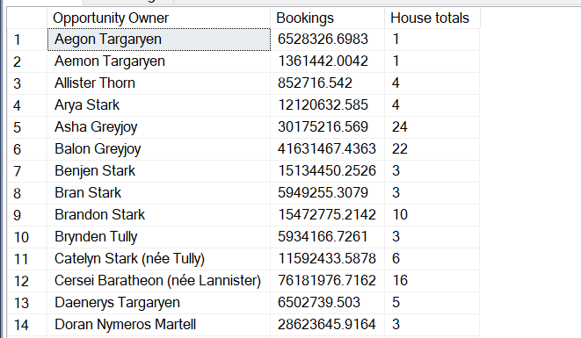

Question 3

Select *, ([Actual Q1-2015] + [Actual Q2-2015] + [Actual Q3-2015] + [Actual Q4-2015]) as [total 2015] From ( SELECT [Level 2 (Area)], ISNULL([Q1-2015], 0 ) as [Actual Q1-2015], ISNULL([Q2-2015], 0) as [Actual Q2-2015], ISNULL([Q3-2015], 0) as [Actual Q3-2015], ISNULL([Q4-2015], 0) as [Actual Q4-2015], ISNULL([Q1-2016], 0) as [Actual Q1-2016], ISNULL([Q2-2016], 0) as [Actual Q2-2016] FROM ( SELECT [bookings], [Fiscal Period Booked], [Level 2 (Area)] FROM [dbo].[Bookings] Where [Fiscal Year Booked] = 2015 or [Fiscal Year Booked] = 2016 ) QuarterAreaBooking PIVOT ( SUM([bookings]) FOR [Fiscal Period Booked] IN ( [Q1-2015], [Q2-2015], [Q3-2015], [Q4-2015], [Q1-2016], [Q2-2016] ) ) AS PivotTable ) AllResults

Result

Question 4
Select[Opportunity Number],[Level 3 (House)],[Bookings],[Created Date],[First Signed Opportunity Date],[Close Date], [Billing Type],[Financial Services Vertical], [Forbes Global 2000] FROM [dbo].[Bookings] INNER JOIN [dbo].[lookups] ON [dbo].[Bookings].[Opportunity Owner] = [dbo].[lookups].[Opportunity Owner] SELECT [Level 3 (House)], ISNULL([Perpetual], 0 ) as [Perpetual], ISNULL([Subscription], 0 ) as [Subscription] FROM ( SELECT [Level 3 (House)], [bookings], [Billing Type] FROM [dbo].[Bookings] INNER JOIN [dbo].[lookups] ON [dbo].[Bookings].[Opportunity Owner] = [dbo].[lookups].[Opportunity Owner] ) QuarterAreaBooking PIVOT ( SUM([bookings]) FOR [Billing Type] IN ( [Perpetual], [Subscription] ) ) AS PivotTable --Sum of House Greyjoy Subscription Bookings - $M Select sum([Bookings]) as [Sum of House Greyjoy Subscription Bookings] FROM [dbo].[Bookings] INNER JOIN [dbo].[lookups] ON [dbo].[Bookings].[Opportunity Owner] = [dbo].[lookups].[Opportunity Owner] Where [Level 3 (House)] = 'House Greyjoy' and [Billing Type] = 'Subscription' --Count of House Baratheon Bookings before 2/1/2016 Select count([Level 3 (House)]) as [Count of House Baratheon Bookings before date] FROM [dbo].[Bookings] INNER JOIN [dbo].[lookups] ON [dbo].[Bookings].[Opportunity Owner] = [dbo].[lookups].[Opportunity Owner] Where [Created Date] < '2016-02-01 00:00:00' and [Level 3 (House)] = 'House Baratheon' --Which House closed the least unique opportunities from the subset? SELECT TOP 1 count([Opportunity Number]) as [least unique opportunities], [Level 3 (House)] FROM [dbo].[Bookings] INNER JOIN [dbo].[lookups] ON [dbo].[Bookings].[Opportunity Owner] = [dbo].[lookups].[Opportunity Owner] GROUP BY [Level 3 (House)] ORDER BY count(*) DESC --Which House closed the most unique opportunities from the subset? SELECT TOP 1 count([Opportunity Number]) as [most unique opportunities], [Level 3 (House)] FROM [dbo].[Bookings] I

Results
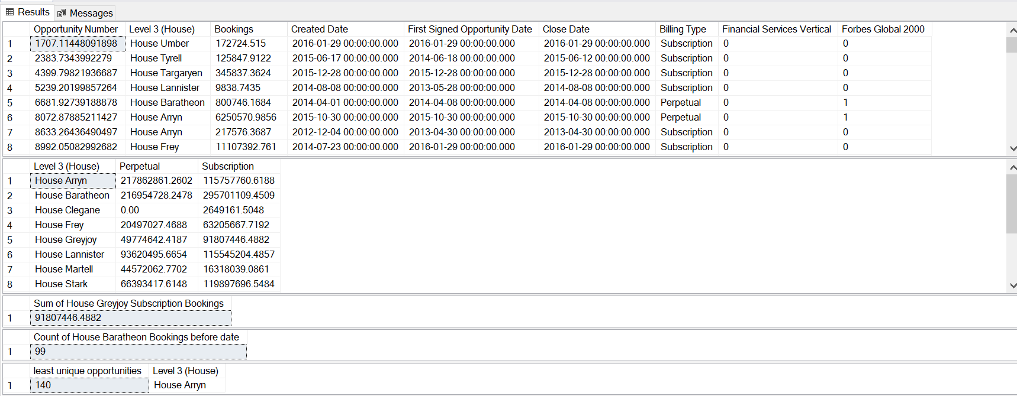

Question 5

--which house has been the most efficient in terms of Bookings SELECT Top 1 sum([Bookings]) as [most efficient booking], [Level 3 (House)] FROM [dbo].[Bookings] INNER JOIN [dbo].[lookups] ON [dbo].[Bookings].[Opportunity Owner] = [dbo].[lookups].[Opportunity Owner] where [Fiscal Period Booked] = 'Q1-2016' group by [Level 3 (House)] Order by sum([Bookings]) DESC --which house has been the most efficient in terms of Bookings SELECT Top 1 count([Bookings]) as [most efficient booking], [Level 3 (House)] FROM [dbo].[Bookings] INNER JOIN [dbo].[lookups] ON [dbo].[Bookings].[Opportunity Owner] = [dbo].[lookups].[Opportunity Owner] group by [Level 3 (House)] Order by count([Bookings]) DESC

Results

